Accessibility
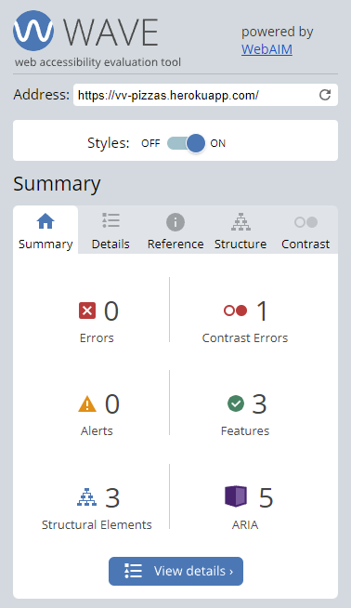
The homepage has been tested using the [Wave (Web Accessibility Evaluation Tool)](https://wave.webaim.org/) with zero alerts and only 1 contrast error where the Footer text was triggering a low-contrast error. As a result, I increased the size of the text and separated over two lines to improve readability for users with low-vision.

Performance
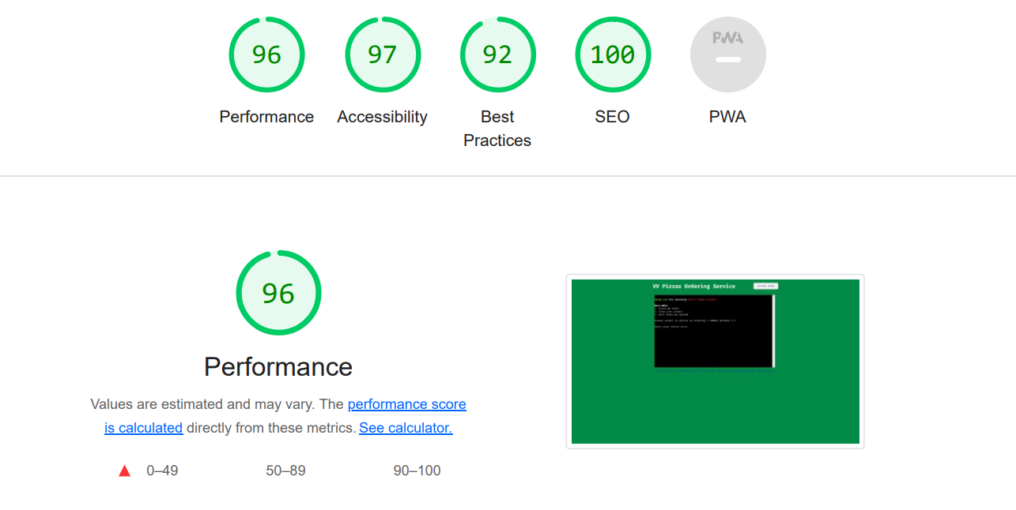
Using Lighthouse performance testing within Chrome Developer Tools, the website has been tested for use on Desktop only. The website scored highly across all criteria, however some further work is required to improve the contrast of the background to foreground for Accessibility, and also potentially to use passive listeners to improve scrolling performance. Furthermore, the initial load time could be improved by eliminating render-blocking resources.

Test occurred using Lighthouse within Chrome Dev Tools on 16/03/2022 with the following results:

Page | Desktop |  |  |  | Mobile |  |  |  | Comments on Amber and Red scores
 | Performance | Accessibility | Best Practice | SEO | Performance | Accessibility | Best Practice | SEO
https://vv-pizzas.herokuapp.com/ | 96 | 97 | 92 | 100 | n/a | n/a | n/a | n/a

